Hoja1

FW17- GURU AUSTRALIAN BOOTS
 |  |  |  |  |  |  |  |  |  |  | 20040
 | REFERENCE | COLORS | 36 | 37 | 38 | 39 | 40 | 41 | Pairs per Box | BOXES | Available Stock | RetailPrice
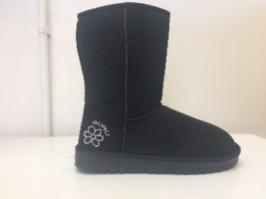 | GL179000 | BLACK | 1 | 2 | 3 | 3 | 2 | 1 | 12 | 115 | 1380 | 69.90 €
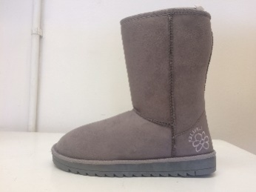 | GL179000 | GREY | 1 | 2 | 3 | 3 | 2 | 1 | 12 | 90 | 1080 | 69.90 €
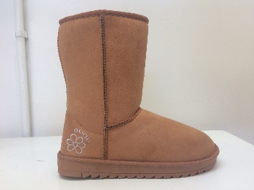 | GL179000 | HONEY (A79) | 1 | 2 | 3 | 3 | 2 | 1 | 12 | 115 | 1380 | 69.90 €
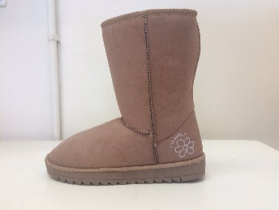 | GL179000 | SAND | 1 | 2 | 3 | 3 | 2 | 1 | 12 | 110 | 1320 | 69.90 €
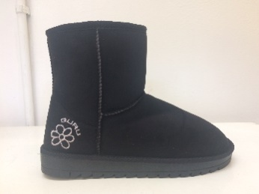 | GL179001 | BLACK | 1 | 2 | 3 | 3 | 2 | 1 | 12 | 110 | 1320 | 59.90 €
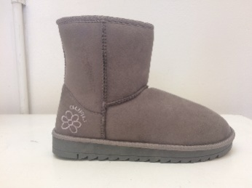 | GL179001 | GREY | 1 | 2 | 3 | 3 | 2 | 1 | 12 | 90 | 1080 | 59.90 €
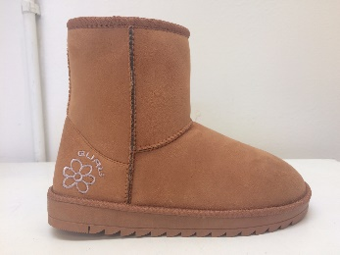 | GL179001 | HONEY (A79) | 1 | 2 | 3 | 3 | 2 | 1 | 12 | 110 | 1320 | 59.90 €
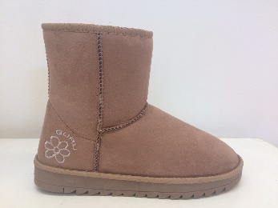 | GL179001 | SAND | 1 | 2 | 3 | 3 | 2 | 1 | 12 | 110 | 1320 | 59.90 €
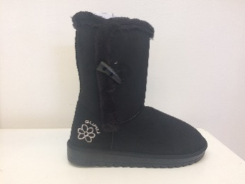 | GL179002 | BLACK | 1 | 2 | 3 | 3 | 2 | 1 | 12 | 120 | 1440 | 69.90 €
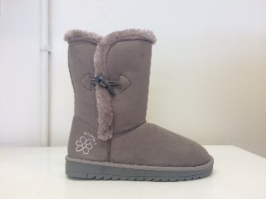 | GL179002 | GREY | 1 | 2 | 3 | 3 | 2 | 1 | 12 | 90 | 1080 | 69.90 €
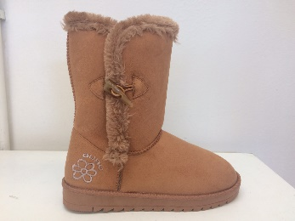 | GL179002 | HONEY (A79) | 1 | 2 | 3 | 3 | 2 | 1 | 12 | 120 | 1440 | 69.90 €
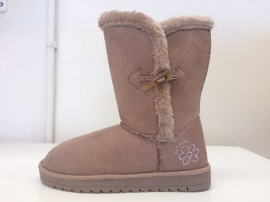 | GL179002 | SAND | 1 | 2 | 3 | 3 | 2 | 1 | 12 | 120 | 1440 | 69.90 €
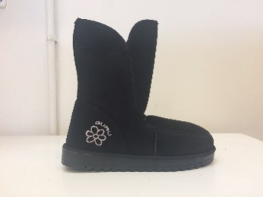 | GL179003 | BLACK | 1 | 2 | 3 | 3 | 2 | 1 | 12 | 90 | 1080 | 69.90 €
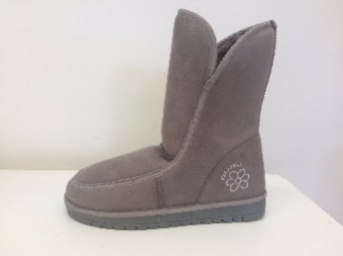 | GL179003 | GREY | 1 | 2 | 3 | 3 | 2 | 1 | 12 | 90 | 1080 | 69.90 €
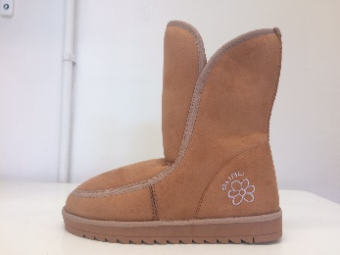 | GL179003 | HONEY (A79) | 1 | 2 | 3 | 3 | 2 | 1 | 12 | 90 | 1080 | 69.90 €
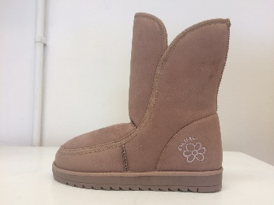 | GL179003 | SAND | 1 | 2 | 3 | 3 | 2 | 1 | 12 | 100 | 1200 | 69.90 €

